HOW TO
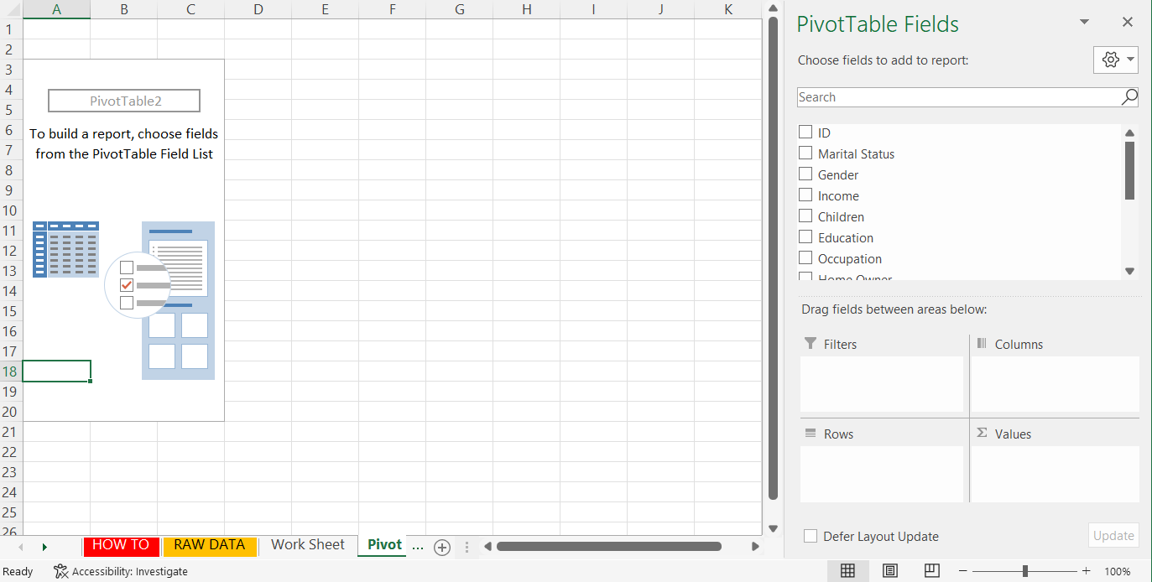
 | HOW DID WE ANALYZE THIS DATA
1 | We got rid of the duplicates by: Data / Remove Duplicates (26 duplicates, 52 rows). |  | 1.a.
2 | Changed S/M and M/F to Single/Married and Male/Female.
3 | Added Age Brackets since it is easier to show categorized ages rather than every age seperately.
4 | Add Pivot Table Sheet which helps you build data visualisations.
 | a | New Sheet / Insert - Pivot Table / Select from Work Sheet (Ctrl + A)
 |  | From here you select the columns/data you are looking for.
 | b | First thing we will look at is: Average income of someone who did not buy a bike
 |  | Drag Income to Value, click "Value Field Settings" change Sum to Average
 |  | Drag Gender to Rows
 |  | Drag Purchased a Bike to columns
 | c | Insert data vis by
 |  | Click on pivot table, Click Insert / Recommended Charts
 | d | Add axis title, chart title
5 | Add another pivot table: Investigating if the commute distance plays a role
 | a | Same as above. But now 10+ Miles is distrupting the order
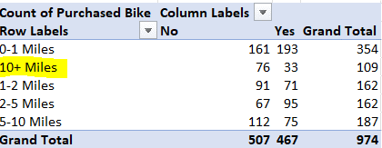

 | b | First we try changing "10+ Miles" to "10 Miles +" in Work Sheet
 |  | Go ahead to Data Tab / Click Refresh to refresh pivot table & Grapth
 |  | Nothing changed
 | c | Changed it to 10+Miles
6 | Next pivot table & chart:

7 | Dashboard Tab: We want to present our findings.
 | a | Select tables / Shape Format / Align Top

8 | Dashboard Tab: Add slice (filter)
 | a | How many of the
 | b | Select pivot table / PivotChart Analyze / Insert Slicer / We picked "Married / Single"
 |  | This slicer is only linked to one table.
 | c | To link it to other tables:
 |  | Click on the slicer / Slicer / Report Connections

Pivot Tables
Avg Income Per Purchase
Average of Income | Column Labels
Row Labels | No | Yes | Grand Total
Female | 53,430 | 56,298 | 54,843
Male | 55,887 | 60,690 | 58,129
Grand Total | 54,714 | 58,480 | 56,520

Nr of Bikes Bought / Distance

Count of Purchased Bike | Column Labels
Row Labels | No | Yes | Grand Total
0-1 Miles | 161 | 193 | 354
1-2 Miles | 91 | 71 | 162
2-5 Miles | 67 | 95 | 162
5-10 Miles | 112 | 75 | 187
10Miles + | 76 | 33 | 109
Grand Total | 507 | 467 | 974

Age vs Purchase
Count of Purchased Bike | Column Labels
Row Labels | No | Yes | Grand Total
Adolescent | 71 | 37 | 108
Middle Aged | 310 | 373 | 683
Old | 126 | 57 | 183
Grand Total | 507 | 467 | 974

Age vs Purchase
Count of Purchased Bike | Column Labels
Row Labels | Yes | Grand Total
25 | 4 | 4
26 | 7 | 7
27 | 8 | 8
28 | 10 | 10
29 | 4 | 4
30 | 4 | 4
31 | 8 | 8
32 | 13 | 13
33 | 13 | 13
34 | 19 | 19
35 | 19 | 19
36 | 29 | 29
37 | 28 | 28
38 | 28 | 28
39 | 12 | 12
40 | 17 | 17
41 | 15 | 15
42 | 12 | 12
43 | 19 | 19
44 | 12 | 12
45 | 12 | 12
46 | 15 | 15
47 | 20 | 20
48 | 13 | 13
49 | 8 | 8
50 | 11 | 11
51 | 12 | 12
52 | 15 | 15
53 | 13 | 13
54 | 10 | 10
55 | 4 | 4
56 | 3 | 3
57 | 4 | 4
58 | 4 | 4
59 | 5 | 5
60 | 7 | 7
61 | 4 | 4
62 | 4 | 4
63 | 2 | 2
64 | 3 | 3
65 | 3 | 3
66 | 6 | 6
67 | 2 | 2
70 | 1 | 1
72 | 1 | 1
73 | 2 | 2
74 | 1 | 1
78 | 1 | 1
Grand Total | 467 | 467

Posession: Bike and/or Car

Count of Purchased Bike | Column Labels
Row Labels | Yes | Grand Total
0 | 149 | 149
1 | 145 | 145
2 | 119 | 119
3 | 33 | 33
4 | 21 | 21
Grand Total | 467 | 467

 | People who does not own a car
 | 91 of them did not purchase bike
 | 149 of them purchased a bike
 | People who own 1 car
 | 142 of them did not purchase bike
 | 145 of them purchased a bike

 | Who bought bikes
 | 149 bike purchases from people owning no cars
 | 145 bike purchases from people owning 1 car
 | 119 bike purchases from people owning 2 cars
 | 33 bike purchases from people owning 3 cars
 | 21 bike purchases from people owning 4 cars
 | Nr of cars owned is negative

Dashboard
BIKE SALES DASHBOARD

Avg Income Per Purchase
 | No | Yes
Female | 53,430 | 56,298
Male | 55,887 | 60,690
Nr of Bikes Bought / Commute Distance
 | No | Yes
0-1 Miles | 161 | 193
1-2 Miles | 91 | 71
2-5 Miles | 67 | 95
5-10 Miles | 112 | 75
10Miles + | 76 | 33

Posession: Bike and/or Car
 | Yes
0 | 149
1 | 145
2 | 119
3 | 33
4 | 21
Age vs Purchase
 | Yes
25 | 4
26 | 7
27 | 8
28 | 10
29 | 4
30 | 4
31 | 8
32 | 13
33 | 13
34 | 19
35 | 19
36 | 29
37 | 28
38 | 28
39 | 12
40 | 17
41 | 15
42 | 12
43 | 19
44 | 12
45 | 12
46 | 15
47 | 20
48 | 13
49 | 8
50 | 11
51 | 12
52 | 15
53 | 13
54 | 10
55 | 4
56 | 3
57 | 4
58 | 4
59 | 5
60 | 7
61 | 4
62 | 4
63 | 2
64 | 3
65 | 3
66 | 6
67 | 2
70 | 1
72 | 1
73 | 2
74 | 1
78 | 1

Age vs Purchase
 | No | Yes
Adolescent | 71 | 37
Middle Aged | 310 | 373
Old | 126 | 57

